Sheet1
Gliding Activities in WA 2024/25 |  |  | 2/7/24
 |  |  | Rev 5
Start | End | Activity

MARCH
1-Mar-24 | 1-Apr-24 | Women in Gliding Development Weekend at Narrogin | Colbi Ryan 0413 380 321
11-Mar-24 | 15-Mar-24 | XC Week at Beverley | Ross Richardson 0427 112 205
23-Mar-24 |  | NGC at Cranbrook Show | David Harries 0418 912 359
29-Mar-24 | 1-Apr-24 | BSS Easter Regatta | Geoff Overheu 0407 575 216
29-Mar-24 | 5-Apr-24 | Ab-Initio Course at Narrogin | David Harries 0418 912 359

APRIL
6-Apr-24 | 7-Apr-24 | GCWA 80th Fly-In and Open Day | Stuart Usher 0499900044
16-Apr-24 |  | WAGA Meeting 3 | Roy McInnes 0407 248 788

MAY

JUNE
11-Jun-24 | TBC | BSS AGM at Republic of Fremantle | Paul Croft

JULY
23-Jul-24 |  | WAGA Meeting 4 | Roy McInnes 0407 248 788
??? |  | Airworthiness Lectures and Refresher at TBA | Rob Hanbury 0429 082 520

AUGUST
1-Aug-24 | 8-Aug-24 | Combined GCWA/BSS Wave Camp
??? | ??? | Airworthiness Practical Course at Cunderdin | Rob Hanbury 0429 082 520
20-Aug-24 | TBC | WAGA AGM at Republic of Fremantle | Roy McInnes 0407 248 788
??? |  | NGC Annual Dinner and Awards Night | alanarthur318@gmail.com

September
??? | ??? | NGC Wave Camp | jandmkenny@iinet.net.au
??? |  | NGC AGM at Clubrooms | alley1@iinet.net.au
28-Sep-24 |  | GCWA 80th Anniversary WASO Bush Band | Stuart Usher 0499900044

October
??? | ??? | Ab-Initio Course at Narrogin | brad@avalonsurveys.com.au
1-Oct-24 |  | WAGA Meeting 1 | Roy McInnes 0407 248 788
??? | ??? | GF2 (Girls Fly Too) at GCWA | Sally CrawCour 0449 158 656
14-Oct-24 | 18-Oct-24 | XC Week at Beverley | Ross Richardson 0427 112 205
??? | ??? | Fly Faster Course at GCWA (dates to be advised) | Stuart Usher 0499900044

November
13-Nov-23 | 16-Nov-23 | XC week at Beverley | Ross Richardson 0427 112 205
17-Nov-24 | 23-Nov-24 | Carter Cup GCWA at Cunderdin | Rob Hanbury 0429 082 520

December
1-Dec-24 | 7-Dec-24 | WAGA State Gliding Championships at Cunderdin | Stuart Usher 0499900044
15-Dec-24 | 22-Dec-24 | XC week at Beverley | Ross Richardson 0427 112 205
??? | ??? | Competition Enterprise GCWA

JANUARY
13-Jan-25 | 24-Jan-25 | 12 day Cross-Country CAMP at Beverley | Paul Croft 0417 185 855

FEBRUARY
4-Feb-25 |  | WAGA Meeting 2 | Roy McInnes 0407 248 788
10-Feb-25 | 14-Feb-25 | XC Week at Beverley and Beverley Regatta | Geoff Overheu 0407 575 216

MARCH
??? | ??? | Women in Gliding Development Weekend at Narrogin | Colbi Ryan 0413 380 321
10-Mar-25 | 14-Mar-25 | XC Week at Beverley | Ross Richardson 0427 112 205

APRIL
18-Apr-25 | 21-Apr-25 | BSS Easter Regatta | Geoff Overheu 0407 575 216
29-Apr-25 |  | WAGA Meeting 3 | Roy McInnes 0407 248 788

MAY

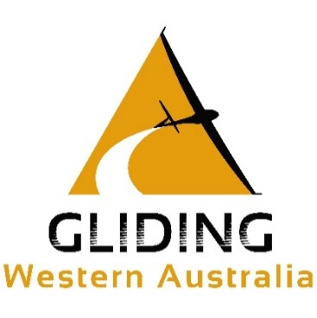
Colour Code:
 |  | Airworthiness Activity
 |  | Administrative activity
 |  | Coaching or Lecture
 |  | Lecture
 |  | Soaring Activity
 |  | Expedition or Wave Camp

