Sheet1
Gliding Activities in WA 2025/26 |  |  | 4/26/25
 |  |  | Rev 4
Start | End | Activity

MAY
1-May-25 |  | WAGA Meeting 3 | Roy Mcinnes 0407 248 788

JUNE
10-Jun-25 |  | BSS AGM at Double View Bowling Club | Roger Shead 0411 880 122
21-Jun-25 |  | Airworthiness Lectures and Refresher at DSR | Rob Hanbury 0429 082 520
26-Jun-25 |  | Soaring Development Officer's Winter Lecture | Arnold Geerlings

JULY
13-Jul-25 | 19-Jul-25 | Airworthiness Practical Course at Narrogin | Rob Hanbury 0429 082 520
17-Jul-25 |  | Soaring Development Officer's Winter Lecture | Arnold Geerlings
24-Jul-25 |  | WAGA Meeting 4 | Roy McInnes 0407 248 788

AUGUST
2-Aug-25 | 9-Aug-25 | Wave Camp - GCWA, NGC, BSS | Rob Hanbury 0429 082 520
19-Aug-25 |  | NGC AGM at Clubrooms | alley1@iinet.net.au
13-Aug-25 |  | WAGA AGM at DSR | Roy McInnes 0407 248 788
28-Aug-25 |  | Soaring Development Officer's Winter Lecture | Arnold Geerlings

SEPTEMBER
7-Sep-25 |  | NGC Annual Dinner and Awards Night | alanarthur318@gmail.com
13-Sep-25 |  | BSS Annual Dinner and Awards Night ?????? | ??????
18-Sep-25 |  | GCWA Club flying refresher/BFR & Club Dinner | Stuart Usher 0499900044
30-Sep-25 | 4-Oct-25 | Ab-Initio Course at Narrogin | brad@avalonsurveys.com.au

OCTOBER
1-Oct-25 |  | WAGA Meeting 1 | Roy McInnes 0407 248 788
13-Oct-25 | 18-Oct-25 | XC Week at Beverley | Ross Richardson 0427 112 205
18-Oct-25 |  | GCWA AGM and Annual Dinner & Trophy Night | Stuart Usher 0499900044

NOVEMBER
10-Nov-25 | 15-Nov-25 | XC week at Beverley | Ross Richardson 0427 112 205
24-Nov-25 | 30-Nov-25 | Carter Cup GCWA at Cunderdin | Rob Hanbury 0429 082 520

DECEMBER
5-Dec-25 | 21-Dec-25 | 12 day Cross-Country CAMP at Beverley | Paul Croft 0417 185 855

JANUARY
6-Jan-26 | 17-Jan-26 | MultiClass Nationals at Leeton NSW | Lumpy Paterson
12-Jan-26 | 16-Jan-26 | XC week at Beverley | Ross Richardson 0427 112 205

FEBRUARY
5-Feb-26 | 14-Feb-26 | WAGA State Gliding Championships at Beverely | Tom Holt
12-Feb-25 |  | WAGA Meeting 2 | Roy McInnes 0407 248 788
23-Feb-26 | 27-Feb-26 | XC Week at Beverley and Beverley Regatta | Geoff Overheu 0407 575 216
28-Feb-26 |  | Women in Gliding Development Weekend at Narrogin | Colbi Ryan 0413 380 321

MARCH
9-Mar-26 | 13-Mar-26 | XC Week at Beverley | Ross Richardson 0427 112 205

APRIL
3-Apr-26 | 6-Apr-26 | BSS Easter Regatta | Geoff Overheu 0407 575 216
11-Apr-26 |  | BEVERLEY AIRSHOW
30-Apr-26 |  | WAGA Meeting 3 | Roy McInnes 0407 248 788

MAY
5-May-26 |  | Regional Operations Meeting | Henry Egan

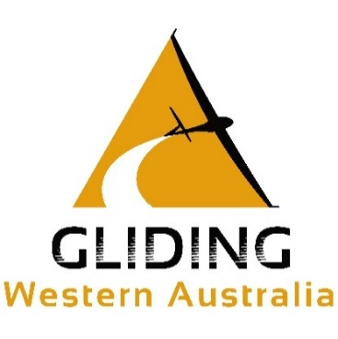
Colour Code:
 |  | Airworthiness Activity
 |  | Administrative activity
 |  | Coaching
 |  | Lecture
 |  | Soaring Activity
 |  | Expedition or Wave Camp

